Sheet1
style name | color | photo | description | cartons | pairs per carton | total pairs
cr101 | black 252 cognac 198 |  |  |  | 12 | 198
cr102 | blk |  |  | 13 | 12 | 156
addiction | black |  |  | 10 | 12 | 120
90135 | silver |  |  | 59 | 12 | 706
TONER 01 | BLACK/YELLOW |  | toner 270 blk -yellow, 108 blk fush | 21 | 18 | 378 | L5/10 | 3
lindsy 527 |  | 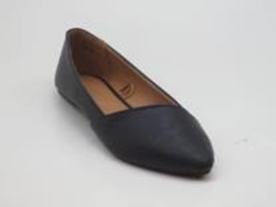 | 162 blk 666 white |  | 12 | 838
lindsy |  | 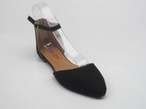 | 126 blk |  |  | 126
ruby03 |  |  | rubu 03- 666 white, 378 gray , red 120 |  |  | 1164
ruby 03 |  | 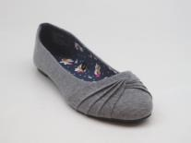
ruby03 |  | 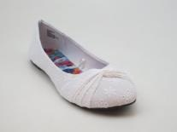
ruby |  | 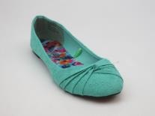 | 378 gray 120 red |  |  | 498
VIOLA-07 | 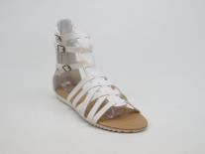 WHITE |  | SANDALS WHITE SUN 101 18PPK | 1 | 18 | 18 | R/02 | 10/R
VIOLA-08 | WHT |  | SANDALS WHT SUN 101 18PPK | 12 | 18 | 216 | L12/22 | 12
VIOLA-08 | CGN |  | SANDALS CGN SUN 101 18PPK | 1 | 18 | 18 | L12/22 | 12
VT0061 | BLACK | 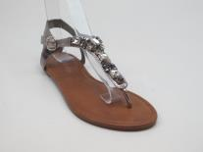 | SANDALS BLACK PO232498 12PK | 1 | 12 | 12 | L3/21 | 5
VT0061 | HEMATITE |  | SHOES HEMATITE 232499 12PPK | 1 | 12 | 12 | L1/20 | 8
VT0061 | HEMATITE |  | SANDALS HEMATITE 232499 12PPK | 2 | 12 | 24 | L3/23 | 5
VT0062 | WHITE | 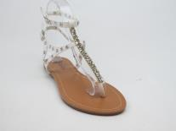 | SHOES WHITE PO232725 12PK | 1 | 12 | 12 | L1/14 | 8
YOGI Z1 | 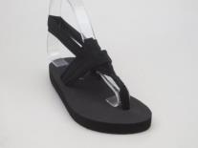 AZTEC |  | SANDALS AZTEC-PO-AMZ1920-18PK | 23 | 18 | 414 | L8/05 | 3
YOGI Z1 | BLACK/BLACK |  | SANDALS BLACK/BLACK-PO-AMZ1920-18PK | 23 | 18 | 414 | L8/05 | 3
YOGI Z1 | GREY/MARLED |  | SANDALS GREY MARLED-PO-AMZ1920-18PK | 23 | 18 | 414 | L8/06 | 3
JOYAU 02 |  |  | joyau-2 4.40 - black 342 gold 342 silver 1460 | 120 | 18 | 2144
JOYAU 03 |  |  | SILVER ,Joyau-03 4.40 - black 1062 gold 1332 silver 954 | 180 | 18 | 3348
JOANCY 13 |  |  | 810 gold 1926 silver | 160 | 18 | 2736
LUCID 92 |  |  | gold126 | 7 | 18 | 126
SUI 08 |  |  | sui-08 - gold 1260, white 1512, blk 846, silver 3816 | 255 | 18 | 7434
DIGNITY 01 |  | 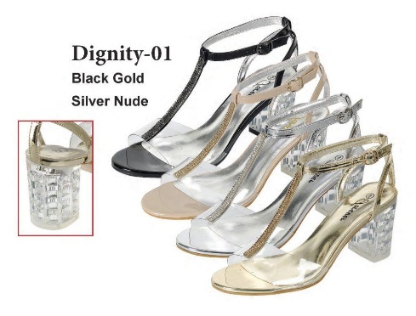 | blk 360, gold 450, silver 540, white 360 | 95 | 18 | 1710
EXEECUTE |  | 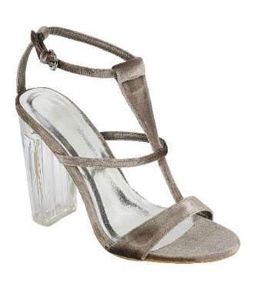 | gray | 30 | 18 | 540
LUCID 92 | 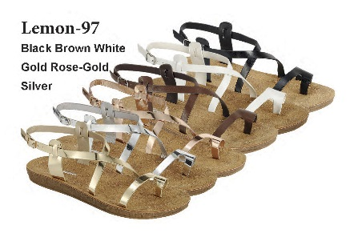 |  | gold 738, silver 1152 | 105 | 18 | 1890
SUI 08 |  |  | blk 360, gold 450, silver 540, white 360 | 95 | 18 | 1710
victoria | 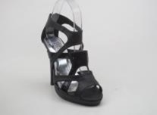 |  | blk | 10 | 18 | 180
SOPHIE | 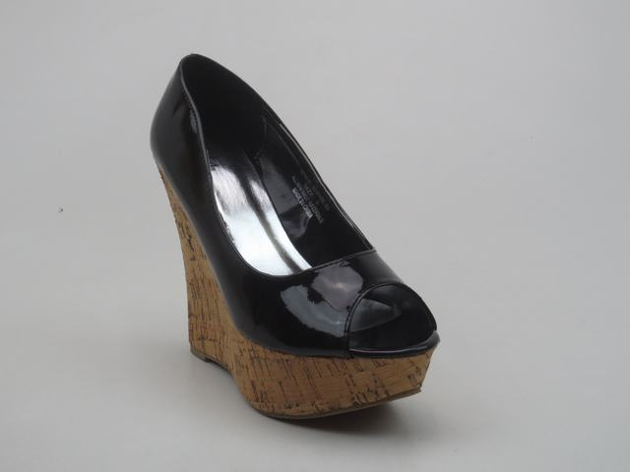 |  | blk | 85 | 18 | 1530
SOPHIE | 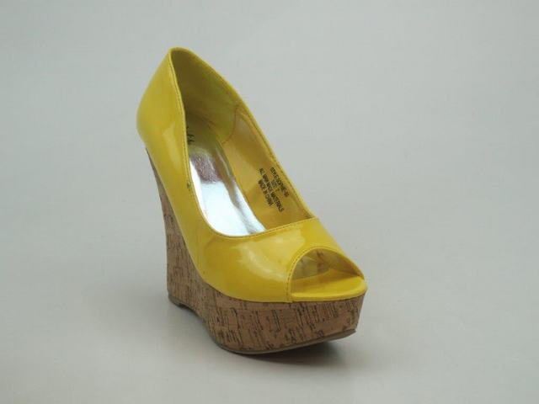 |  | yellow | 101 | 18 | 1656
panda | 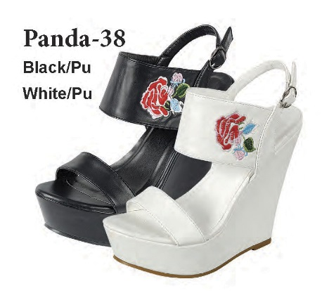 |  | 720 black 180 white | 50 | 18 | 900
RILEY 366 | WHITE | 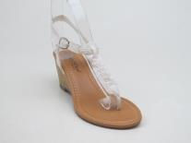 | SHOES WHITE | 1 | 7 | 7 | R/01 | 10/R
RILEY 11 | BLACK |  | SHOES BLACK FTY 102 18PPK | 1 | 18 | 18 | L1/15 | 8
RILEY 11 | BEIGE | 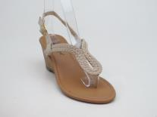 | SHOES BEIGE POSTU120130 18PK | 1 | 13 | 13 | L2/20 | 5
RILEY 11 | BEIGE |  | SANDALS BEIGE POSTU120130 18PK | 1 | 8 | 8 | L5/17 | 5
RILEY 11 | BLACK | 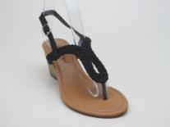 | SHOES BLACK FTY 102 18PPK | 4 | 18 | 72 | L5/19 | 3
RILEY 11 | BLACK |  | SHOES BLACK FTY 102 18PPK | 1 | 18 | 18 | L1/07 | 8
RILEY 11 | BLACK |  | SHOES BLACK POFTY102 18PPK | 1 | 18 | 18 | L1/20 | 8
RILEY 11 | BLACK |  | SHOES BLACK FTY 102 18PPK | 24 | 18 | 432 | L1/23 | 8
RILEY 11 | BLACK |  | SHOES BLACK POFTY102 18PPK | 1 | 18 | 18 | L4/18 | 8
RILEY 11 | BLACK |  | SHOES BLACK POFTY102 18PPK | 4 | 18 | 72 | L4/18 | 8
RILEY 11 | BLACK |  | SHOES BROWN PO#AMZ1001221A 6PK | 1 | 18 | 18 | L2/20 | 5
RILEY 11 | BROWN | 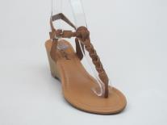 | SHOES BROWN PO#AMZ1001221A 6PK | 12 | 6 | 72 | L2/02 | 5
RILEY 11 | IVORY | 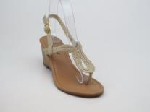 | SHOES IVORY PO#131280 | 1 | 12 | 12 | L3/26 | 5
RILEY 11 | RED |  | SHOES RED PO#131280 3PK | 1 | 3 | 3 | R/01 | 10/R
RILEY 14 | BERRY | 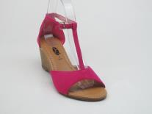 | SHOES BERRY POXD80142 6PPK | 2 | 6 | 12 | L5/19 | 3
RILEY 14 | BERRY |  | SHOES BERRY POXD80142 6PPK | 1 | 6 | 6 | L7/01 | 3
RILEY 14 | BERRY |  | SHOES BERRY POXD80142 6PPK | 1 | 6 | 6 | L1/20 | 8
RILEY 14 | BLACK | 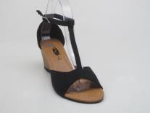 | SHOES BLACK XD80142 6PPK | 1 | 6 | 6 | L1/15 | 8
RILEY 16 | BEIGE |  | SHOES BEIGE | 2 | 18 | 36 | L2/01 | 5
RILEY 25 | WHITE |  |  | 1 |  | 16 |  | 5
RILEY 25 | WHITE | 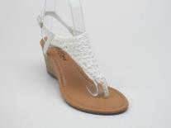 | SHOES WHITE POFTY102 18PPK | 1 | 17 | 17 | L4/14 | 8
RILEY 25 | WHITE |  | SHOES WHITE FTY 102 18PPK | 2 | 18 | 36 | L4/23 | 8
RILEY 31 | FUSCHIA | 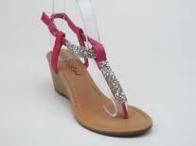 | SHOES FUSCHIA PO#FTY102 18PK | 1 | 18 | 18 | L1/15 | 8
RILEY 31 | FUSCHIA |  | SHOES FUCSHIA POFTY102 18PPK | 1 | 18 | 18 | L4/07 | 8
RILEY 31 | FUSCHIA |  | SHOES FUSCHIA PO#FTY102 18PK | 1 | 18 | 18 | R/01 | 10/R
RILEY 346 | BEIGE | 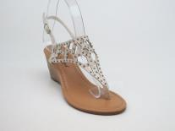 | SHOES BEIGE FTY 102 18PPK | 1 | 18 | 18 | L3/21 | 5
RILEY 346 | BLACK | 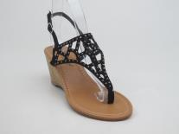 | SHOES BLACK STU120220 | 1 | 15 | 15 | L3/23 | 5
RILEY 346 | TEAL | 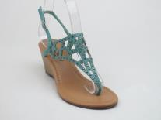 | SHOES TEAL 133634 12PPK | 1 | 12 | 12 | L1/20 | 8
RILEY 346 | TEAL |  | SHOES TEAL 133634 12PPK | 1 | 12 | 12 | L4/18 | 8
RILEY 346 | TURQ |  | SHOES TURQ FTY 102 6PPK | 1 | 8 | 8 | L1/20 | 8
RILEY 366 | WHITE |  |  | 1 |  | 17 |  | 5
RILEY 366 | BLACK | 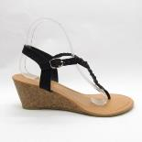 | SHOES BLACK | 1 | 6 | 6 |  | 3
RILEY 366 | BROWN |  | SHOES BROWN/ 1pc WHITE | 1 | 9 | 9 | L1/20 | 8
RILEY 366 | BROWN | 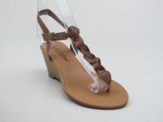 | SHOES BROWN | 1 | 5 | 5 | L1/20 | 8
RILEY-11 | BLK |  | SHOES BLACK POFTY102 18PPK | 24 | 18 | 432 | L12/23 | 12
RILEY-11 | WHT |  | SHOES WHITE FTY 102 18PPK | 8 | 18 | 144 | L12/23 | 12
RILEY-11 | WHT |  | SHOES WHITE FTY 102 18PPK | 1 | 17 | 17 | L12/24 | 12
RILEY16- | BEIGE | 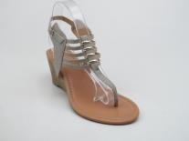 | SHOES PO#AMZ1804 BEIGE 18PK | 1 | 18 | 18 | L1/15 | 8
RILEY16 | BEIGE |  | SHOES BEIGE PO#STU120220 | 1 | 10 | 10 | L2/20 | 5
RILEY-25 | WHT |  | SHOES WHITE FTY 102 18PPK (1/17; 19/18; 1/16 Total 21 CTN) | 21 | 18 | 375 | L12/24 | 12
RILEY-346 | BLK |  | SHOES BLACK FTY 102 18PPK | 29 | 18 | 522 | L12/25 | 12
RILEY-346 | CRL |  | SHOES CORAL FTY 102 18PPK | 1 | 18 | 18 | L12/25 | 12
RILEY-346 | BEIGE |  | SHOES BEIGE POFTY102 18PK | 1 | 18 | 18 | L12/25 | 12
skate | orange | 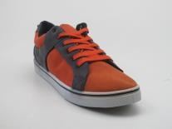 kids |  | 25 | 18 | 450
yaroko | assorted pack blk red blue | 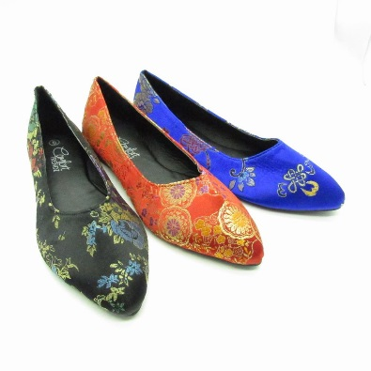 ladies |  | 20 | 36 | 720
sage-07 | blk | 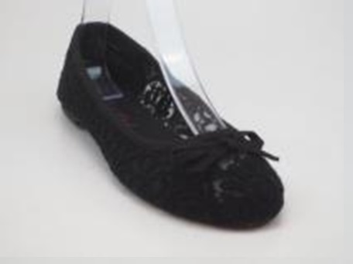 ladies |  | 57 | 18 | 1008
 |  |  |  |  |  | 36,446 | Total

